Pd
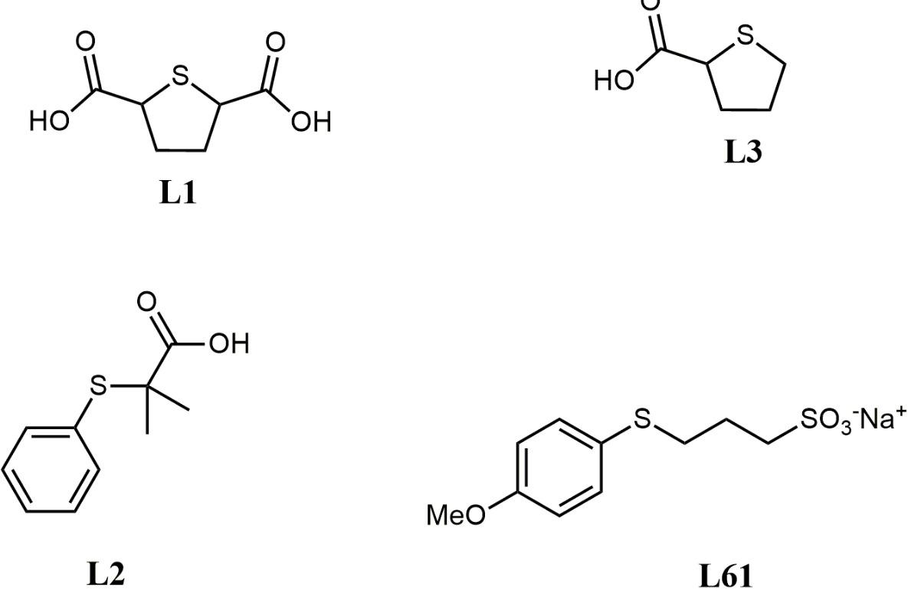
 | main ID for programming |  |  |  | only for molecular references |  |  |  |  |  |  |  |  |  |  |  |  |  |  |  |  |  |  |  |  |  |  | XAS measurements |  |  |  | MBACK parameters (if not specified the defaults are: pre1=5350, pre2=5460, e0=5473, post1=5525, post2=5925, deg=3, fit_erfc=TRUE |  |  |  |  |  |  | pre-edge subtraction parameters (if not specified then automatic search procedure is applied)
Chemical formula | Short name | Type | Source | Periodicity | ligands-L | ligands-X | ligands-Z | bond number | electron count | formal charge | ligands-oxo | ligands-carbonyl | ligands-alkoxide | ligands-THF | ligands-siloxide | ligands-Cl | ligands-alkyl | ligands-imido | ligands-bpy | ligands-amide | ligands-acac | ligand-ethylene | bulk-O | bulk-Cl | bulk-Me | symmetry | formal CN | Synchrotron | Measurement regime | Monochromator | Text comment | pre1 | pre2 | e0 | post1 | post2 | deg | fit_erfc | peakInterval1 | peakInterval2 | baseFitInterval1 | baseFitInterval2 | Spectrum name | CIF/xyz-file name | Provided name
Pd(0) | Pd | Exp |  | nanoparticles |  |  |  |  |  | 0 |  |  |  |  |  |  |  |  |  |  |  |  |  |  |  |  |  | ESRF BM23 | transmission | Si(311) |  |  |  |  |  |  |  |  |  |  |  |  | WS_PN_05_Pd_0_.xmu |  | WS-PN-5
Pd(acetate) | PdC4H6O4 | Exp |  |  |  |  |  |  |  | 2 |  |  |  |  |  |  |  |  |  |  |  |  |  |  |  | square planar | 4 | ESRF BM23 | transmission | Si(311) |  |  |  |  |  |  |  |  |  |  |  |  | WS_PN_06_Pd_OAc_2.xmu | WS-PN-6_Pd_acetate.cif | WS-PN-6
Pd oxide | PdO | Exp |  | bulk |  |  |  |  |  | 2 |  |  |  |  |  |  |  |  |  |  |  |  |  |  |  | square planar | 4 | ESRF BM23 | transmission | Si(311) |  |  |  |  |  |  |  |  |  |  |  |  | WS_PN_07_PdO.xmu | PdO_P 42m m c S.cif AND PdO_-P 4c 2.cif AND PdO_-P 4.cif | WS-PN-7
Pd(OH)2/C 20wt% en 60wt% water | PdH2O2 | Exp |  | nanoparticles |  |  |  |  |  | 2 |  |  |  |  |  |  |  |  |  |  |  |  |  |  |  |  |  | ESRF BM23 | transmission | Si(311) |  |  |  |  |  |  |  |  |  |  |  |  | WS_PN_08_Pd_OH_2.xmu |  | WS-PN-8
Pd pivalate | PdC10H18O4 | Exp |  | molecule |  |  |  |  |  | 2 |  |  |  |  |  |  |  |  |  |  |  |  |  |  |  |  |  | ESRF BM23 | transmission | Si(311) |  |  |  |  |  |  |  |  |  |  |  |  | Pd_JV_ref_1.dat.xmu | https://www.sigmaaldrich.com/ES/en/product/aldrich/721611?gclid=CjwKCAjw3ueiBhBmEiwA4BhspMA9gTxROyMssQMeYG1FiIdNAVxAqUsf286ns09zoyj7AbCmLJfNWBoCQhUQAvD_BwE&gclsrc=aw.ds | JV-ref1
Pd oxide | PdO | Exp |  | bulk |  |  |  |  |  | 2 |  |  |  |  |  |  |  |  |  |  |  |  |  |  |  | square planar | 4 | CLAESS ALBA | transmission | Si(311) |  |  |  |  |  |  |  |  |  |  |  |  | Pd_oxide.xmu | PdO_P 42m m c S.cif AND PdO_-P 4c 2.cif AND PdO_-P 4.cif | WS-Ref
Pd oxide | PdO | Exp |  | bulk |  |  |  |  |  | 2 |  |  |  |  |  |  |  |  |  |  |  |  |  |  |  | square planar | 4 | ESRF BM23 | transmission | Si(311) |  |  |  |  |  |  |  |  |  |  |  |  | JD_Pd_Ref1.xmu | PdO_P 42m m c S.cif AND PdO_-P 4c 2.cif AND PdO_-P 4.cif | JD-Pd-Ref1
Pd(acetate) | PdC4H6O4 | Exp |  |  |  |  |  |  |  | 2 |  |  |  |  |  |  |  |  |  |  |  |  |  |  |  |  |  | ESRF BM23 | transmission | Si(311) |  |  |  |  |  |  |  |  |  |  |  |  | JD_Pd_Ref2.xmu | Pd(OAc)2.cif | JD-Pd-Ref2
PdCl2 | PdCl2 | Exp |  | bulk |  |  |  |  |  | 2 |  |  |  |  |  |  |  |  |  |  |  |  |  |  |  | square planar | 4 | ESRF BM23 | transmission | Si(311) |  |  |  |  |  |  |  |  |  |  |  |  | JD_Pd_Ref3.xmu | PdCl2.cif | JD-Pd-Ref3
Pd2dba3 | C51H42O3Pd2 | Exp |  | molecule |  |  |  |  |  | 0 |  |  |  |  |  |  |  |  |  |  |  |  |  |  |  | trigonal | 3 | ESRF BM23 | transmission | Si(311) |  |  |  |  |  |  |  |  |  |  |  |  | JD_Pd_Ref4.xmu | https://www.sigmaaldrich.com/ES/en/product/aldrich/328774 | JD-Pd-Ref4
Pd(bipy)Cl2 | C10H8Cl2N2Pd | Exp |  | molecule |  |  |  |  |  |  |  |  |  |  |  |  |  |  |  |  |  |  |  |  |  | square planar | 4 | ESRF BM23 | transmission | Si(311) |  |  |  |  |  |  |  |  |  |  |  |  | IB_Pd_Ref2.xmu |  | IB-Pd-Ref2
Pd(PPh3)2Cl2 | C36H30P2PdCl2 | Exp |  | molecule |  |  |  |  |  |  |  |  |  |  |  |  |  |  |  |  |  |  |  |  |  | square planar | 4 | ESRF BM23 | transmission | Si(311) |  |  |  |  |  |  |  |  |  |  |  |  | IB_Pd_Ref3.xmu |  | IB-Pd-Ref3
Pd(OAc)2PPh3 | C10H8Cl2N2Pd | Exp |  | molecule |  |  |  |  |  |  |  |  |  |  |  |  |  |  |  |  |  |  |  |  |  | square planar | 4 | ESRF BM23 | transmission | Si(311) |  |  |  |  |  |  |  |  |  |  |  |  | Pd_ref_5.xmu |  | Pd-5
Pd(PPh3)2Cl2 | C36H30P2PdCl2 | Exp |  |  |  |  |  |  |  |  |  |  |  |  |  |  |  |  |  |  |  |  |  |  |  | square planar | 4 | ESRF BM23 | transmission | Si(311) |  |  |  |  |  |  |  |  |  |  |  |  | Pd_ref_6.xmu | Pd(PPh3)2Cl2_2018221.cif AND Pd(PPh3)2Cl2_2218056.cif | Pd-6
Pd(AcNHOH)(OAc)2 | PdC_6H_11NO_6 | Exp |  |  |  |  |  |  |  |  |  |  |  |  |  |  |  |  |  |  |  |  |  |  |  |  |  | ESRF BM23 | transmission | Si(311) |  |  |  |  |  |  |  |  |  |  |  |  | Pd_Lisa_ex_1.xmu |  | Pd-Lisa-experimental complex 1
PdC12H15NO5 | PdC_12H_15NO_5 | Exp |  |  |  |  |  |  |  |  |  |  |  |  |  |  |  |  |  |  |  |  |  |  |  |  |  | ESRF BM23 | transmission | Si(311) |  |  |  |  |  |  |  |  |  |  |  |  | Pd_Lisa_ex_3.xmu |  | Pd-Lisa-experimental complex 3
Pd/C 5 wt% | Pd_5C | Exp |  | nanoparticles |  |  |  |  |  |  |  |  |  |  |  |  |  |  |  |  |  |  |  |  |  |  |  | ESRF BM23 | transmission | Si(311) |  |  |  |  |  |  |  |  |  |  |  |  | Pd_SVP_1.xmu |  | SVP-1
Pd(L2)(OAc) | Pd_L2_OAc | Exp |  |  |  |  |  |  |  |  |  |  |  |  |  |  |  |  |  |  |  |  |  |  |  |  |  | ESRF BM23 | transmission | Si(311) |  |  |  |  |  |  |  |  |  |  |  |  |  |  | NVV-A
Pd(L2)2 | Pd_L2_3 | Exp |  |  |  |  |  |  |  |  |  |  |  |  |  |  |  |  |  |  |  |  |  |  |  |  |  | ESRF BM23 | transmission | Si(311) |  |  |  |  |  |  |  |  |  |  |  |  |  |  | NVV-B
Pd(L1)(OAc) | Pd_L1_OAc | Exp |  |  |  |  |  |  |  |  |  |  |  |  |  |  |  |  |  |  |  |  |  |  |  |  |  | ESRF BM23 | transmission | Si(311) |  |  |  |  |  |  |  |  |  |  |  |  |  |  | NVV-C
Pd(L1)2 | Pd_L1_3 | Exp |  |  |  |  |  |  |  |  |  |  |  |  |  |  |  |  |  |  |  |  |  |  |  |  |  | ESRF BM23 | transmission | Si(311) |  |  |  |  |  |  |  |  |  |  |  |  |  |  | NVV-D
Pd(L3)(OAc) | Pd_L3_OAc | Exp |  |  |  |  |  |  |  |  |  |  |  |  |  |  |  |  |  |  |  |  |  |  |  |  |  | ESRF BM23 | transmission | Si(311) |  |  |  |  |  |  |  |  |  |  |  |  |  |  | NVV-E
Pd(L3)2 | Pd_L3_3 | Exp |  |  |  |  |  |  |  |  |  |  |  |  |  |  |  |  |  |  |  |  |  |  |  |  |  | ESRF BM23 | transmission | Si(311) |  |  |  |  |  |  |  |  |  |  |  |  |  |  | NVV-F
Pd(L61)(OAc) | Pd_L61_OAc | Exp |  |  |  |  |  |  |  |  |  |  |  |  |  |  |  |  |  |  |  |  |  |  |  |  |  | ESRF BM23 | transmission | Si(311) |  |  |  |  |  |  |  |  |  |  |  |  |  |  | NVV-I
Pd(L61)2(OAc) | Pd_L61_2_OAc | Exp |  |  |  |  |  |  |  |  |  |  |  |  |  |  |  |  |  |  |  |  |  |  |  |  |  | ESRF BM23 | transmission | Si(311) |  |  |  |  |  |  |  |  |  |  |  |  |  |  | NVV-J
Pd(L61)3 | Pd_L61_4 | Exp |  |  |  |  |  |  |  |  |  |  |  |  |  |  |  |  |  |  |  |  |  |  |  |  |  | ESRF BM23 | transmission | Si(311) |  |  |  |  |  |  |  |  |  |  |  |  |  |  | NVV-K

